Product images
Product | Product Model Name | Product Image | Product Weight (+-5%) | Product Dimensions (mm)
Code |  |  |  | Length | Width | Height
1 | 1oz-35ml Cup | 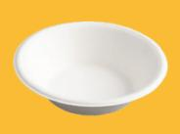 | 2 | 67.00 | 67.00 | 18.00
2 | 1oz Cup lid |  | 1.7 | 72.00 | 72.00 | 8.00
3 | (3oz) 100ml Bowl |  | 4 | 85.00 | 85.00 | 40.00
4 | (4oz) 120ml Bowl |  | 4 | 96.00 | 96.00 | 34.00
5 | 5oz (150ml) Square Bowl |  | 5 | 105.00 | 105.00 | 30.00
6 | 6oz (180ml) Bowl |  | 5 | 107.00 | 107.00 | 40.00
7 | 6oz Tall (180ml) Bowl | 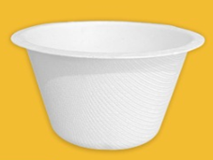 | 6 | 95.00 | 95.00 | 59.00
8 | 8oz (240ml) Bowl |  | 6 | 113.00 | 113.00 | 42.00
9 | 12oz Round Bowl |  | 9 | 160.00 | 160.00 | 40.00
10 | 16oz Round Bowl |  | 12 | 175.00 | 175.00 | 41.00
11 | 6 Inch Round Plate (15 cm) | 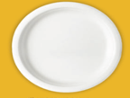 | 6 | 155.00 | 155.00 | 16.00
12 | 7 Inch Round Plate (18cm) |  | 8.5 | 175.00 | 175.00 | 16.00
13 | 8 Inch Deep Round Plate |  | 14 | 200.00 | 200.00 | 20.00
14 | 9 Inch Round Plate (23cm) |  | 15 | 230.00 | 230.00 | 20.00
15 | 9 Inch 3 Compartment Round Plate (23cm) |  | 15 | 230.00 | 230.00 | 20.00
16 | 10 Inch Round Plate(26cm) |  | 20 | 260.00 | 260.00 | 20.00
17 | 10 Inch Deep Round Plate |  | 20 | 260.00 | 260.00 | 20.00
18 | 10 Inch 3 Compartment Round Plate (26cm) | 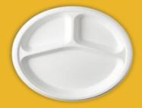 | 20 | 260.00 | 260.00 | 20.00
19 | 11 Inch 4 Compartment Round Plate (27.5cm) |  | 24 | 275.00 | 275.00 | 27.00
20 | 11 Inch Round Plate (27.5cm) |  | 24 | 275.00 | 275.00 | 30.00
21 | 12 Inch 4 Compartment Round Plate (29.5cm) |  | 25 | 295.00 | 295.00 | 28.00
22 | 12 Inch Round Plate (28.5cm) |  | 25 | 285.00 | 285.00 | 30.00
23 | 10 Inch x 8 Inch Oval Tray |  | 17 | 260.00 | 200.00 | 20.00
24 | 12.5 x 10 Inch Oval Tray | 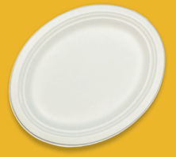 | 28 | 318.00 | 255.00 | 22.00
25 | 1D Tray - (5.5"x5.5") | 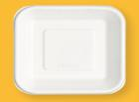 | 6.5 | 142.00 | 142.00 | 21.00
26 | 7 Inch Sqaure Plate |  | 9 | 160.00 | 160.00 | 21.00
27 | 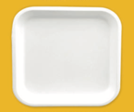 8 Inch Square Plate (20cm) |  | 16 | 200.00 | 200.00 | 22.00
28 | 10 Inch Sqaure Plate | 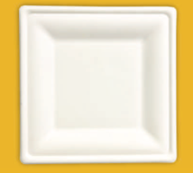 | 30 | 260.00 | 260.00 | 20.00
29 | 10 inch Square - 3 Compartment Plate | 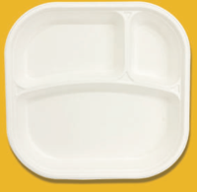 | 20 | 220.00 | 220.00 | 25.00
30 | Chips Tray (7"x5") |  | 11 | 176.00 | 132.00 | 30.00
31 | 2D Tray - Rectangular (8.5"x5.5") |  | 10 | 215.00 | 142.00 | 20.00
32 | 4 Compartment Meal Tray -XL | 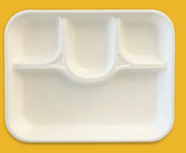 | 34 | 300.00 | 240.00 | 35.00
33 | 5 Compartment Meal Tray -XL | 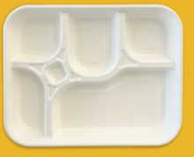 | 35 | 295.00 | 240.00 | 35.00
34 | 5 Compartment Meal Tray |  | 35 | 280.00 | 219.00 | 42.00
35 | 5 Compartmetn Export (School) Tray | 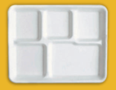 | 22 | 263.00 | 212.00 | 22.00
36 | 6 Compartment Export- Rectangular Tray | 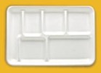 | 37 | 320.00 | 220.00 | 28.00
37 | 6 Compartment Meal Tray |  | 34 | 280.00 | 220.00 | 35.00
38 | 6 Compartment Meal Tray -XL |  | 40 | 318.00 | 238.00 | 34.00
39 | 7 Compartment Round Meal Tray | 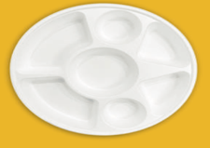 | 41 | 280.00 | 280.00 | 32.00
40 | 9 Compartment Round Meal Tray | 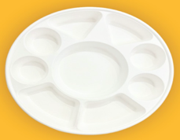 | 60 | 315.00 | 315.00 | 31.50
41 | 9 Compartment Rectangular MealTray | 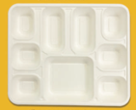 | 60 | 320.00 | 260.00 | 31.00
42 | 5 Inch x 5 Inch Burger Box | 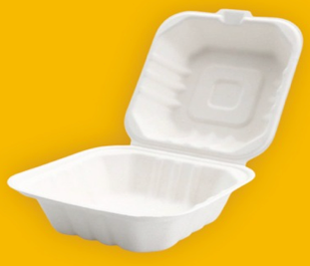 | 14 | 245.00 | 121.00 | 70.00
43 | 6 Inch x 6 Inch Burger Box | 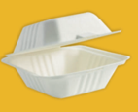 | 20 | 311.00 | 152.00 | 75.00
44 | 6 Inch x 6 Inch -Europe Style Burger Box | 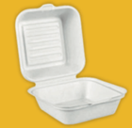 | 20 | 310.00 | 150.00 | 85.00
45 | 7 inch x 5 inch - Clamshell | 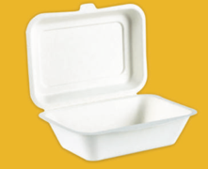 | 20 | 272.00 | 182.00 | 65.00
46 | 7 inch x 5 inch - Clamshell | 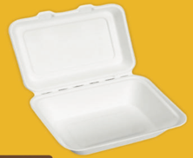 | 20 | 266.00 | 178.00 | 68.00
47 | 9 Inch x 6 Inch - Clamshell | 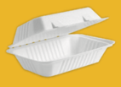 | 28 | 310.00 | 228.00 | 46.50
48 | 9 Inch x 6 Inch 2 CP - Clamshell | 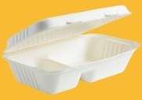 | 32 | 320.00 | 234.00 | 47.00
49 | 8 x 8 Inch - Clamshell |  | 37 | 437.00 | 200.00 | 40.00
50 | 8 x 8 Inch 3 CP - Clamshell |  | 37 | 437.00 | 200.00 | 45.00
51 | 9 Inch x 9 Inch - Clamshell |  | 42 | 464.00 | 230.00 | 47.50
52 | 9 x 9 Inch 3 CP - Clamshell |  | 42 | 464.00 | 230.00 | 47.50
53 | 9 x 12 Inch - Clamshell | 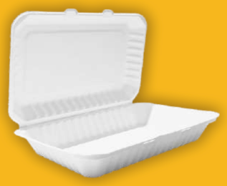 | 72 | 443.00 | 340.00 | 51.50
54 | 7 x 5 " Small Bio Box (F+C) | 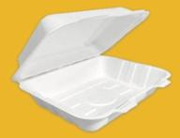 | 21 | 190.00 | 150.00 | 70.00
55 | 9 x 6 " Medium Bio Box (F+C) | 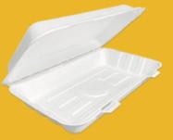 | 34 | 250.00 | 155.00 | 60.00
56 | 12.75 x 6 " Large Bio Box (F+C) | 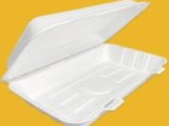 | 47 | 324.00 | 155.00 | 60.00
57 | 350ml Round Container |  | 10 | 130.00 | 130.00 | 62.00
58 | 500ml Round Conrainer |  | 13 | 130.00 | 130.00 | 80.00
59 | 12oz / 16oz Container lid |  | 6.5 | 137.00 | 137.00 | 10.00
60 | 24oz Round Bowl |  | 21 | 204.00 | 204.00 | 42.00
61 | 32oz Round Bowl |  | 23 | 204.00 | 204.00 | 59.50
62 | PET LID -32oz Round Bowl |  | 19 | 210.00 | 210.00 | 25.00
63 | 500ml Rectangular Container |  | 13 | 174.00 | 120.00 | 42.00
64 | PET Clear Rectangular Lid for 500ml Rectangular container (DA20) |  | 6.5 | 176.00 | 176.00 | 12.00
65 | PET LID for 4 oz Bowl (DA22) |  | 1.8 | 86.00 | 86.00 | 15.00
66 | 5mm*120mm Paper Straws (White/Colour) -Cocktail |  | 0.5 | 5.00 | 5.00 | 120.00
67 | 5mm*200 mm Paper Straws (White/Colour) |  | 0.8 | 5.00 | 5.00 | 197.00
68 | 6mm*200mm Paper Straws (White/Colour) |  | 1.5 | 6.00 | 6.00 | 197.00
69 | 6mm*260mm Paper Straws (White/Colour) |  | 2 | 6.00 | 6.00 | 260.00
70 | 8mm*200 mm Paper Straws (White /Colour) |  | 1.8 | 8.00 | 8.00 | 197.00
71 | 8mm*260mm Paper Straws (White/Colour) |  | 2.4 | 8.00 | 8.00 | 260.00
72 | 10mm*200 mm Paper Straws (White /Colour) |  | 2.2 | 10.00 | 10.00 | 197.00
73 | 12 mm*200 mm Paper Straws (White/Colour) |  | 2.7 | 12.00 | 12.00 | 197.00
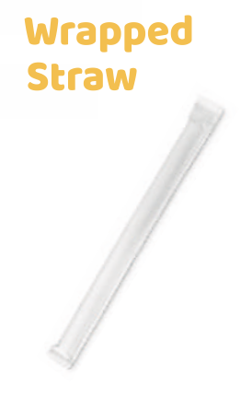
74 | 6mm*200 mm Paper Straw Wrap |  | 2 | 6.00 | 6.00 | 197.00
75 | 8mm*200 mm Paper Straw- Wrap |  | 2.5 | 8.00 | 8.00 | 197.00
76 | 10mm*200 mm Paper Straw Wrap |  | 3 | 10.00 | 10.00 | 197.00
77 | 12mm*200 mm Paper Straw Wrap (Bobba) |  | 3.6 | 12.00 | 10.00 | 197.00

